Sheet1
 |  |  |  |  | List

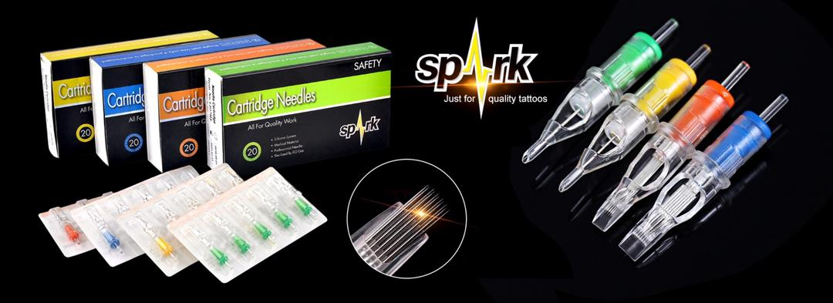
True Color Membrane Cartriges-SPD |  |  | Price | Order | Total
 | Round Liner | 20pcs/box
 | SPD-C1401RL |  | $18.00 |  | $0.00
 | SPD-C1203RL | SPD-C1003RL | $18.00 |  | $0.00
 | SPD-C1205RL | SPD-C1005RL | $18.00 |  | $0.00
 | SPD-C1207RL | SPD-C1007RL | $18.50 |  | $0.00
 | SPD-C1209RL | SPD-C1009RL | $18.50 |  | $0.00
 | SPD-C1211RL | SPD-C1011RL | $19.00 |  | $0.00
 | SPD-C1214RL | SPD-C1014RL | $19.00 |  | $0.00
 | SPD-C1218RL |  | $20.00 |  | $0.00

 | Round Shader
 | SPD-C1203RS |  | $18.00 |  | $0.00
 | SPD-C1205RS |  | $18.00 |  | $0.00
 | SPD-C1207RS |  | $18.50 |  | $0.00
 | SPD-C1209RS |  | $18.50 |  | $0.00
 | SPD-C1211RS |  | $19.00 |  | $0.00
 | SPD-C1214RS |  | $19.00 |  | $0.00
 | SPD-C1218RS |  | $20.00 |  | $0.00

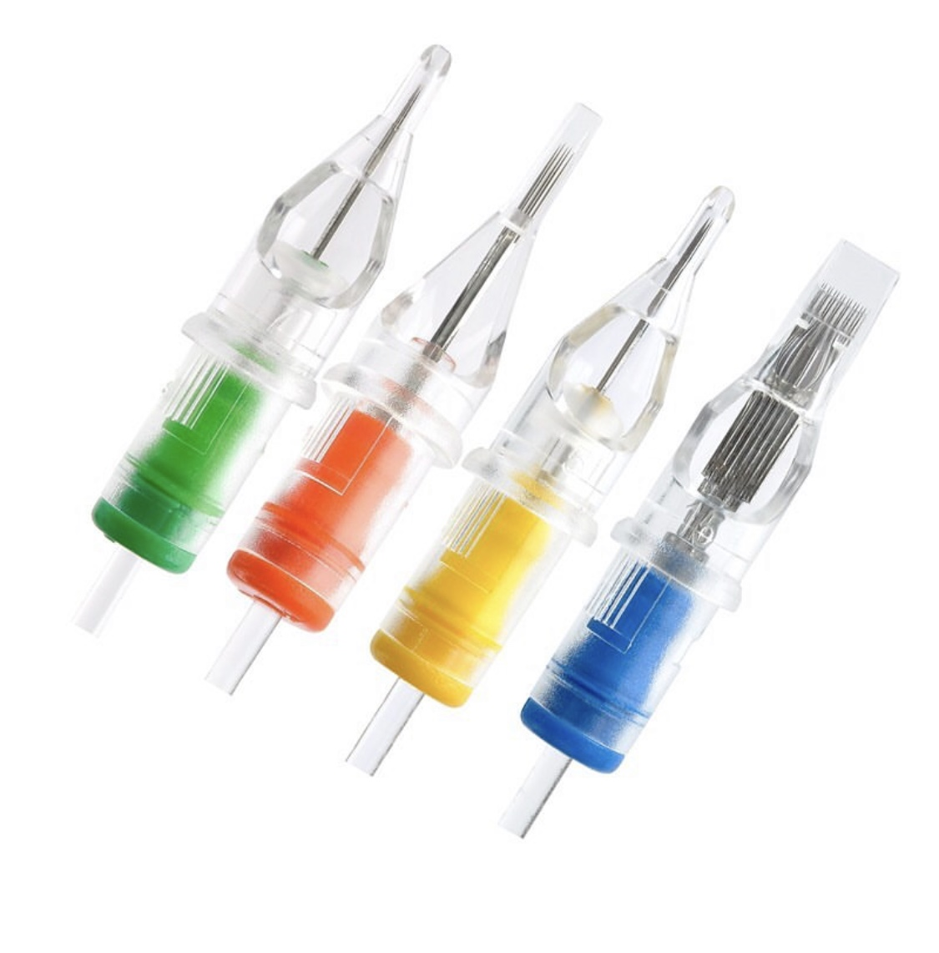
 | Magnum | 20pcs/box
 | SPD-C1205M1 | SPD-C1005M1 | $18.00 |  | $0.00
 | SPD-C1207M1 | SPD-C1007M1 | $18.50 |  | $0.00
 | SPD-C1209M1 | SPD-C1009M1 | $18.50 |  | $0.00
 | SPD-C1211M1 | SPD-C1011M1 | $19.00 |  | $0.00
 | SPD-C1213M1 | SPD-C1013M1 | $19.00 |  | $0.00
 | SPD-C1215M1 | SPD-C1015M1 | $19.00 |  | $0.00
 | SPD-C1217M1 | SPD-C1017M1 | $20.00 |  | $0.00
 | SPD-C1219M1 | SPD-C1019M1 | $20.00 |  | $0.00

 | Curve Magnum | 20pcs/box
 | SPD-C1205CM | SPD-C1005CM | $18.00 |  | $0.00
 | SPD-C1207CM | SPD-C1007CM | $18.50 |  | $0.00
 | SPD-C1209CM | SPD-C1009CM | $18.50 |  | $0.00
 | SPD-C1211CM | SPD-C1011CM | $19.00 |  | $0.00
 | SPD-C1213CM | SPD-C1013CM | $19.00 |  | $0.00
 | SPD-C1215CM | SPD-C1015CM | $19.00 |  | $0.00
 | SPD-C1217CM | SPD-C1017CM | $20.00 |  | $0.00
 | SPD-C1219CM | SPD-C1019CM | $20.00 |  | $0.00

 | Open Magnum | 20pcs/box
 | SPD-OC1205M1 | SPD-OC1005M1 | $18.00 |  | $0.00
 | SPD-OC1207M1 | SPD-OC1007M1 | $18.50 |  | $0.00
 | SPD-OC1209M1 | SPD-OC1009M1 | $18.50 |  | $0.00
 | SPD-OC1211M1 | SPD-OC1011M1 | $19.00 |  | $0.00
 | SPD-OC1213M1 | SPD-OC1013M1 | $19.00 |  | $0.00
 | SPD-OC1215M1 | SPD-OC1015M1 | $19.00 |  | $0.00

 | SPD-OC1217M1 | SPD-OC1017M1 | $20.00 |  | $0.00
 | SPD-OC1219M1 | SPD-OC1019M1 | $20.00 |  | $0.00
 | SPD-OC1221M1 | SPD-OC1021M1 | $21.00 |  | $0.00
 | SPD-OC1223M1 | SPD-OC1023M1 | $21.00 |  | $0.00
 |  | SPD-OC1025M1 | $22.00 |  | $0.00
 |  | SPD-OC1027M1 | $23.00 |  | $0.00

 | Open Curved Magnum | 20pcs/box
 | SPD-OC1205CM | SPD-OC1005CM | $18.00 |  | $0.00
 | SPD-OC1207CM | SPD-OC1007CM | $18.50 |  | $0.00
 | SPD-OC1209CM | SPD-OC1009CM | $18.50 |  | $0.00
 | SPD-OC1211CM | SPD-OC1011CM | $19.00 |  | $0.00
 | SPD-OC1213CM | SPD-OC1013CM | $19.00 |  | $0.00
 | SPD-OC1215CM | SPD-OC1015CM | $19.00 |  | $0.00
 | SPD-OC1217CM | SPD-OC1017CM | $20.00 |  | $0.00
 | SPD-OC1219CM | SPD-OC1019CM | $20.00 |  | $0.00
 | SPD-OC1221CM | SPD-OC1021CM | $21.00 |  | $0.00
 | SPD-OC1223CM | SPD-OC1023CM | $21.00 |  | $0.00
 |  | SPD-OC1025CM | $22.00 |  | $0.00
 |  | SPD-OC1027CM | $23.00 |  | $0.00

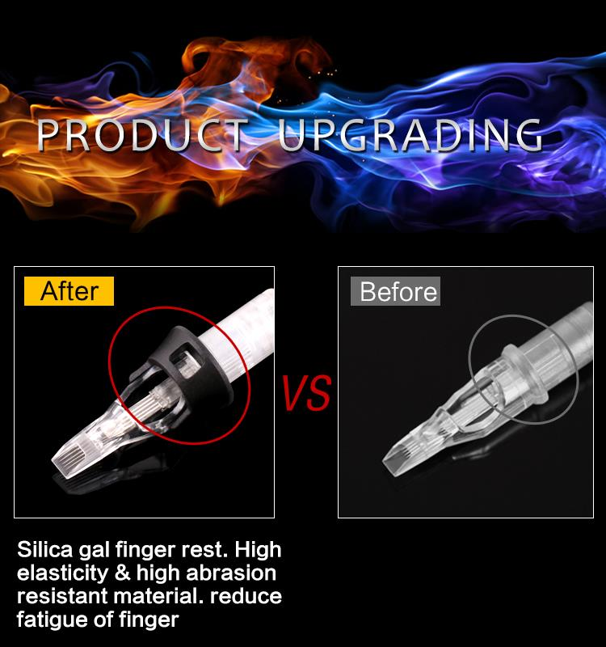
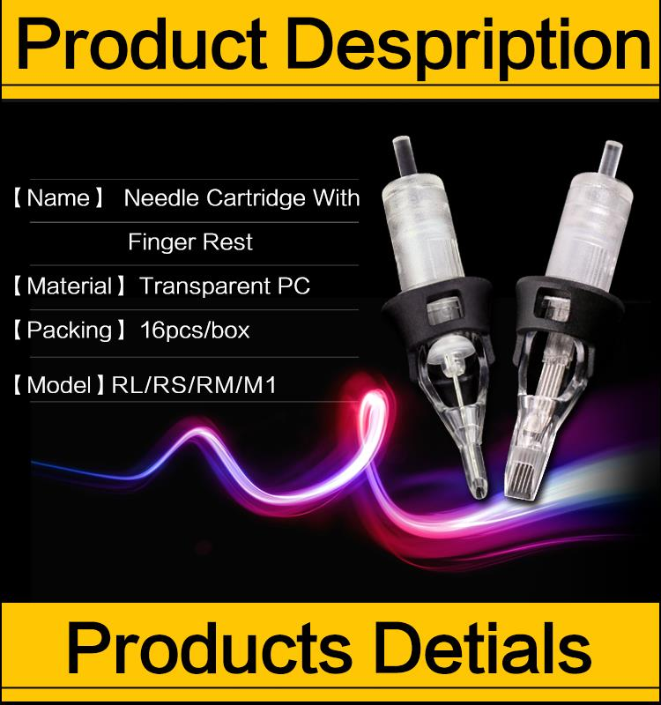
TrueColor+ Cartriges-SPD-T | Round Liner | 16pcs/box
 | SPD-T1401RL | SPD-T1003RL | $20.00 |  | $0.00
 | SPD-T1203RL | SPD-T1005RL | $20.00 |  | $0.00
 | SPD-T1205RL | SPD-T1007RL | $20.00 |  | $0.00
 | SPD-T1207RL | SPD-T1009RL | $21.00 |  | $0.00
 | SPD-T1209RL |  | $21.00 |  | $0.00
 | SPD-T1211RL |  | $22.00 |  | $0.00
 | SPD-T1214RL |  | $22.00 |  | $0.00
 | SPD-T1218RL |  | $23.00 |  | $0.00

 | Round Shader | 16pcs/box
 | SPD-T1203RS |  | $20.00 |  | $0.00
 | STP-T1205RS |  | $20.00 |  | $0.00
 | STP-T1207RS |  | $21.00 |  | $0.00
 | STP-T1209RS |  | $21.00 |  | $0.00
 | STP-T1211RS |  | $22.00 |  | $0.00
 | STP-T1214RS |  | $22.00 |  | $0.00
 | STP-T1218RS |  | $23.00 |  | $0.00

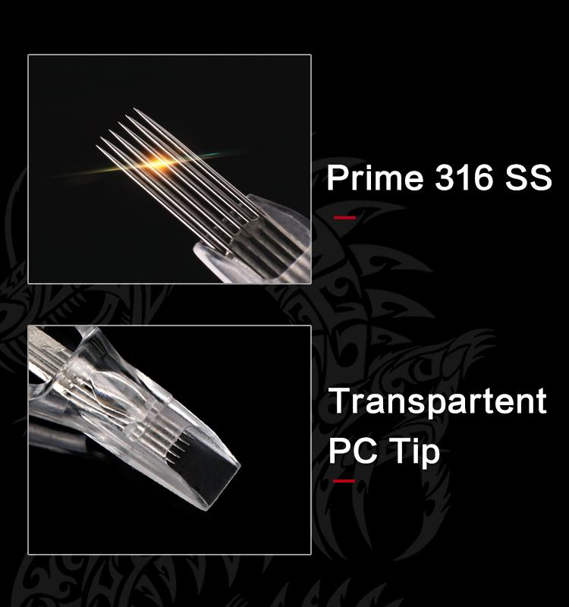

 | Magnum M1 | 16pcs/box
 | SPT-T1205M1 | SPT-T1005M1 | $20.00 |  | $0.00
 | SPT-T1207M1 | SPT-T1007M1 | $21.00 |  | $0.00
 | SPT-T1209M1 | SPT-T1009M1 | $21.00 |  | $0.00
 | SPT-T1211M1 | SPT-T1011M1 | $22.00 |  | $0.00
 | SPT-T1213M1 | SPT-T1013M1 | $22.00 |  | $0.00
 | SPT-T1215M1 | SPT-T1015M1 | $22.00 |  | $0.00
 | SPT-T1217M1 | SPT-T1017M1 | $23.00 |  | $0.00
 | SPT-T1219M1 | SPT-T1019M1 | $23.00 |  | $0.00

 | Soft Edge Magnum Curve | 16pcs/box
 | STP-T1205CM |  | $20.00 |  | $0.00
 | STP-T1207CM |  | $21.00 |  | $0.00
 | STP-T1209CM |  | $21.00 |  | $0.00
 | STP-T1211CM |  | $22.00 |  | $0.00
 | STP-T1213CM |  | $22.00 |  | $0.00
 | STP-T1215CM |  | $22.00 |  | $0.00
 | STP-T1217CM |  | $23.00 |  | $0.00
 | STP-T1219CM |  | $23.00 |  | $0.00

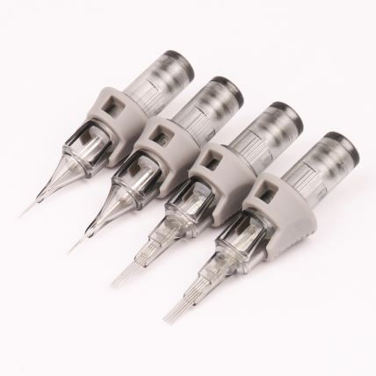
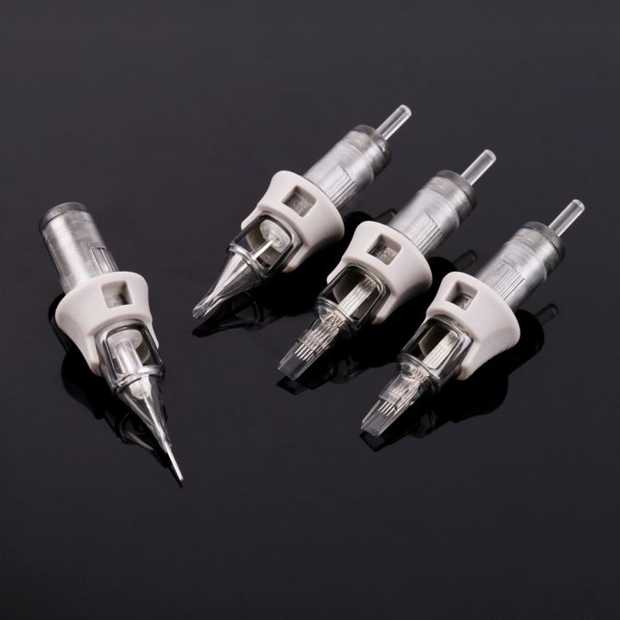
Axis+ Precise Cartriges-SPT
 | Round Liner | 16pcs/box
 | SPD-T1401RL | SPD-T1003RL | $20.00 |  | $0.00
 | SPD-T1203RL | SPD-T1005RL | $20.00 |  | $0.00
 | SPD-T1205RL | SPD-T1007RL | $20.00 |  | $0.00
 | SPD-T1207RL | SPD-T1009RL | $21.00 |  | $0.00
 | SPD-T1209RL | SPD-T1011RL | $21.00 |  | $0.00
 | SPD-T1211RL | SPD-T1014RL | $22.00 |  | $0.00
 | SPD-T1214RL | SPD-T1018RL | $22.00 |  | $0.00
 | SPD-T1218RL |  | $23.00 |  | $0.00

 | Round Shader | 16pcs/box
 | SPD-T1203RS |  | $20.00 |  | $0.00
 | STP-T1205RS |  | $20.00 |  | $0.00
 | STP-T1207RS |  | $21.00 |  | $0.00
 | STP-T1209RS |  | $21.00 |  | $0.00
 | STP-T1211RS |  | $22.00 |  | $0.00
 | STP-T1214RS |  | $22.00 |  | $0.00
 | STP-T1218RS |  | $23.00 |  | $0.00

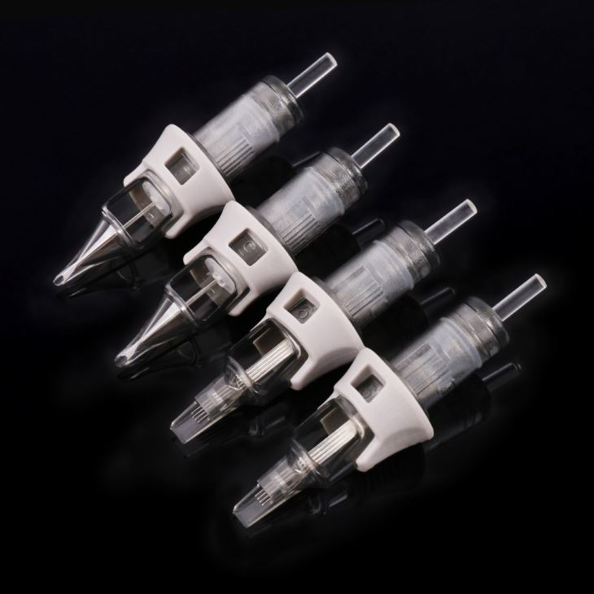
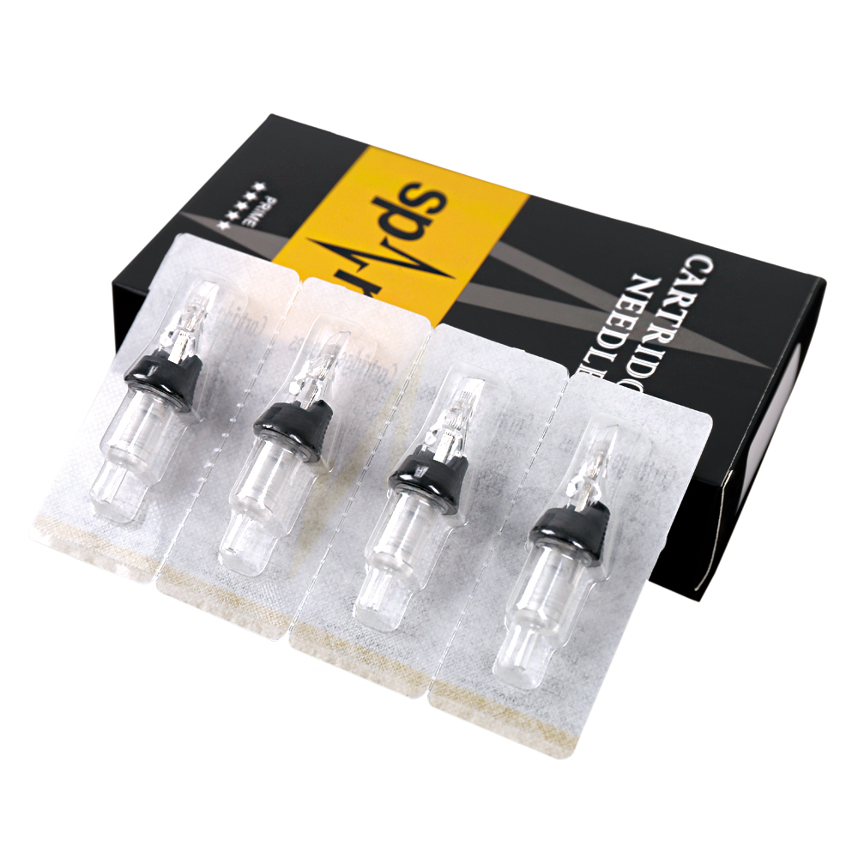
 | Magnum | 16pcs/box
 | SPT-T1205M1 | SPT-T1005M1 | $20.00 |  | $0.00
 | SPT-T1207M1 | SPT-T1007M1 | $21.00 |  | $0.00
 | SPT-T1209M1 | SPT-T1009M1 | $21.00 |  | $0.00
 | SPT-T1211M1 | SPT-T1011M1 | $22.00 |  | $0.00
 | SPT-T1213M1 | SPT-T1013M1 | $22.00 |  | $0.00
 | SPT-T1215M1 | SPT-T1015M1 | $22.00 |  | $0.00
 | SPT-T1217M1 |  | $23.00 |  | $0.00
 | SPT-T1219M1 |  | $23.00 |  | $0.00

 | Soft Edge Magnum | 16pcs/box
 | STP-T1205CM |  | $20.00 |  | $0.00
 | STP-T1207CM |  | $21.00 |  | $0.00
 | STP-T1209CM |  | $21.00 |  | $0.00
 | STP-T1211CM |  | $22.00 |  | $0.00
 | STP-T1213CM |  | $22.00 |  | $0.00
 | STP-T1215CM |  | $22.00 |  | $0.00
 | STP-T1217CM |  | $23.00 |  | $0.00
 | STP-T1219CM |  | $23.00 |  | $0.00

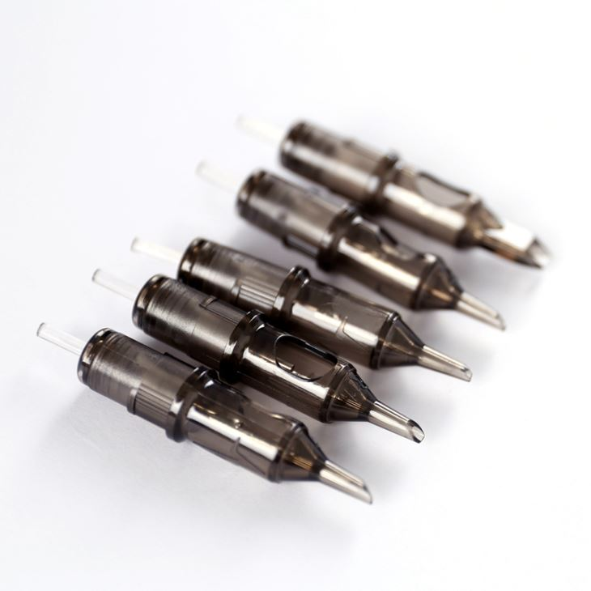
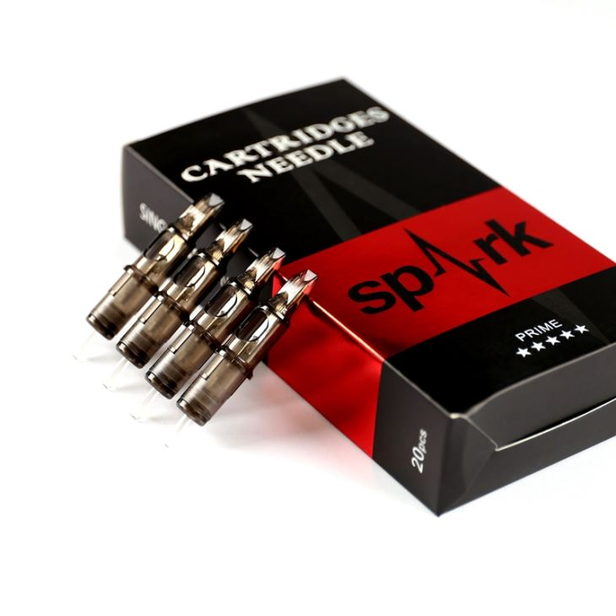
GreayWash Membrane Cartries - SPE
 | Round Liner | 20pcs/box
 | SPE-C1203RL |  | $18.00 |  | $0.00
 | SPE-C1205RL |  | $18.00 |  | $0.00
 | SPE-C1207RL |  | $18.50 |  | $0.00
 | SPE-C1209RL |  | $18.50 |  | $0.00
 | SPE-C1211RL |  | $19.00 |  | $0.00
 | SPE-C1214RL |  | $19.00 |  | $0.00

 | Round Shader | 20pcs/box
 | SPE-C1203RS |  | $18.00 |  | $0.00
 | SPE-C1205RS |  | $18.00 |  | $0.00
 | SPE-C1207RS |  | $18.50 |  | $0.00
 | SPE-C1209RS |  | $18.50 |  | $0.00
 | SPE-C1211RS |  | $19.00 |  | $0.00
 | SPE-C1214RS |  | $19.00 |  | $0.00

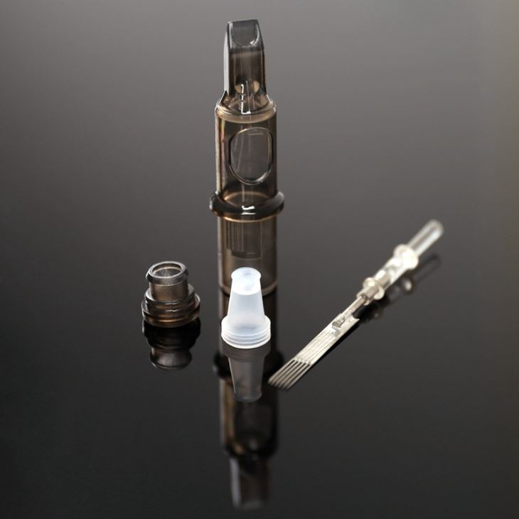
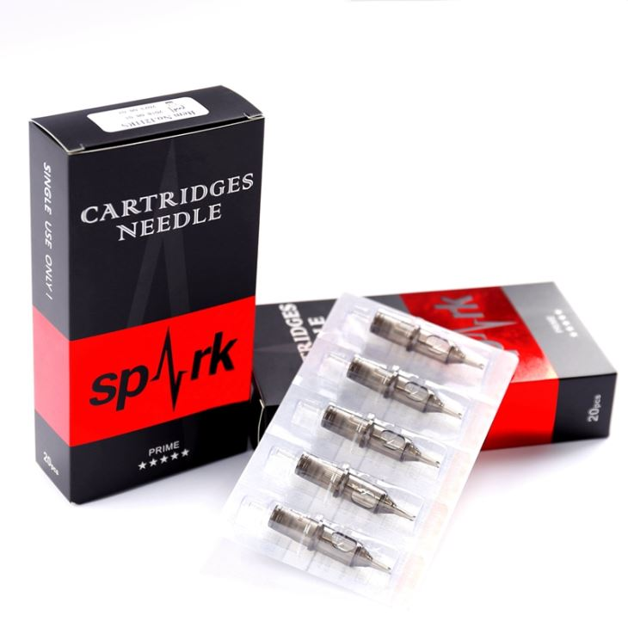
 | Magnum | 20pcs/box
 | SPE-C1205M1 |  | $18.00 |  | $0.00
 | SPE-C1207M1 |  | $18.00 |  | $0.00
 | SPE-C1209M1 |  | $18.50 |  | $0.00
 | SPE-C1211M1 |  | $18.50 |  | $0.00
 | SPE-C1213M1 |  | $19.00 |  | $0.00
 | SPE-C1215M1 |  | $19.00 |  | $0.00
 | SPE-C1217M1 |  | $19.00 |  | $0.00
 | SPE-C1219M1 |  | $19.00 |  | $0.00
 | SPE-C1221M1 |  | $20.00 |  | $0.00
 | SPE-C1223M1 |  | $20.00 |  | $0.00

 | Curved Magnum | 20pcs/box
 | SPE-C1205CM |  | $18.00 |  | $0.00
 | SPE-C1207CM |  | $18.00 |  | $0.00
 | SPE-C1209CM |  | $18.50 |  | $0.00
 | SPE-C1211CM |  | $18.50 |  | $0.00
 | SPE-C1213CM |  | $19.00 |  | $0.00
 | SPE-C1215CM |  | $19.00 |  | $0.00
 | SPE-C1217CM |  | $19.00 |  | $0.00
 | SPE-C1219CM |  | $19.00 |  | $0.00
 | SPE-C1221CM |  | $20.00 |  | $0.00
 | SPE-C1223CM |  | $20.00 |  | $0.00
 |  |  |  | # Boxes | TOTAL
 |  |  |  | 0 | $0.00

